# of Articles
Published Year | # of Articles
2023 | 66
2020 | 61
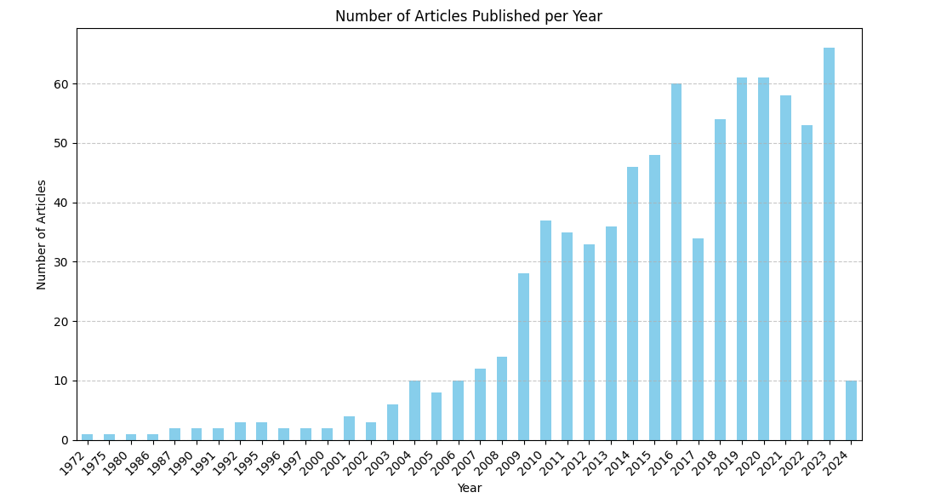
2019 | 61
2016 | 60
2021 | 58
2018 | 54
2022 | 53
2015 | 48
2014 | 46
2010 | 37
2013 | 36
2011 | 35
2017 | 34
2012 | 33
2009 | 28
2008 | 14
2007 | 12
2006 | 10
2004 | 10
2024 | 10
2005 | 8
2003 | 6
2001 | 4
2002 | 3
1992 | 3
1995 | 3
1996 | 2
1990 | 2
1991 | 2
1987 | 2
1997 | 2
2000 | 2
1980 | 1
1986 | 1
1972 | 1
1975 | 1

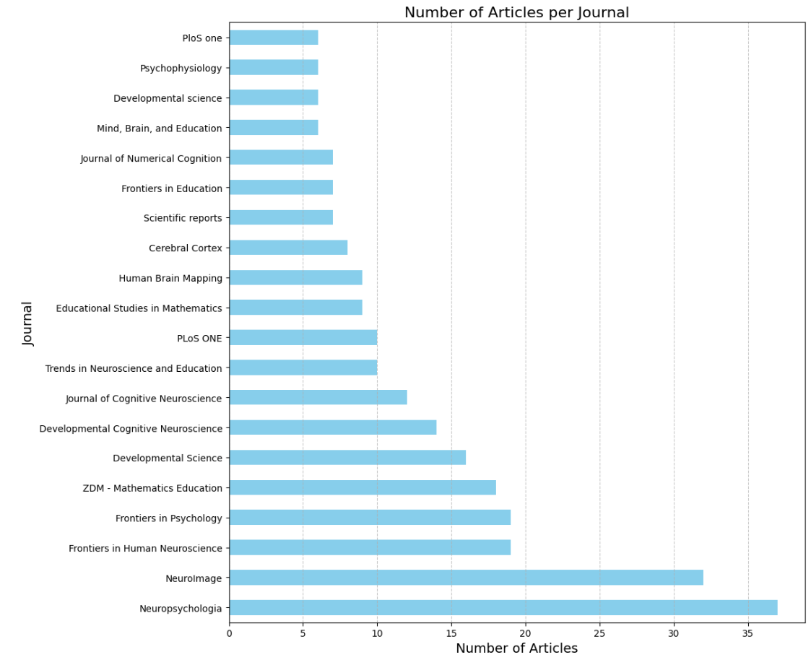
Journal | # of Articles
Neuropsychologia | 37
NeuroImage | 32
Frontiers in Human Neuroscience | 19
Frontiers in Psychology | 19
ZDM - Mathematics Education | 18
Developmental Science | 16
Developmental Cognitive Neuroscience | 14
Journal of Cognitive Neuroscience | 12
Trends in Neuroscience and Education | 10
PLoS ONE | 10
Educational Studies in Mathematics | 9
Human Brain Mapping | 9
Cerebral Cortex | 8
Scientific reports | 7
Frontiers in Education | 7
Journal of Numerical Cognition | 7
Mind, Brain, and Education | 6
Developmental science | 6
Psychophysiology | 6
PloS one | 6

# of Neuro Type
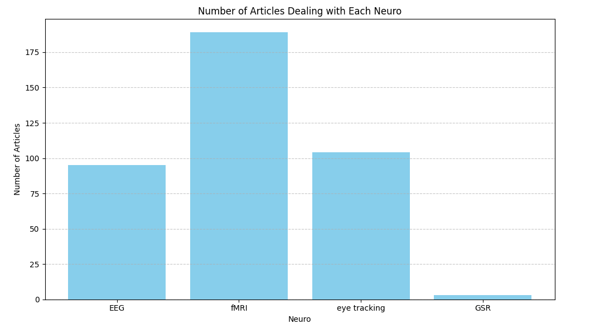
EEG | 95
fMRI | 189
eye tracking | 104
GSR | 3

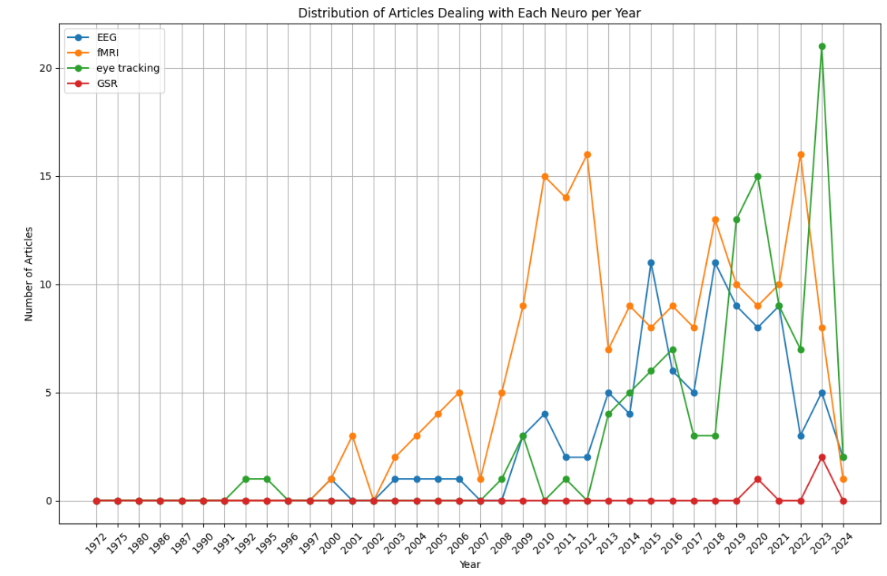
 | EEG | fMRI | eye tracking | GSR
1972 | 0 | 0 | 0 | 0
1975 | 0 | 0 | 0 | 0
1980 | 0 | 0 | 0 | 0
1986 | 0 | 0 | 0 | 0
1987 | 0 | 0 | 0 | 0
1990 | 0 | 0 | 0 | 0
1991 | 0 | 0 | 0 | 0
1992 | 0 | 0 | 1 | 0
1995 | 0 | 0 | 1 | 0
1996 | 0 | 0 | 0 | 0
1997 | 0 | 0 | 0 | 0
2000 | 1 | 1 | 0 | 0
2001 | 0 | 3 | 0 | 0
2002 | 0 | 0 | 0 | 0
2003 | 1 | 2 | 0 | 0
2004 | 1 | 3 | 0 | 0
2005 | 1 | 4 | 0 | 0
2006 | 1 | 5 | 0 | 0
2007 | 0 | 1 | 0 | 0
2008 | 0 | 5 | 1 | 0
2009 | 3 | 9 | 3 | 0
2010 | 4 | 15 | 0 | 0
2011 | 2 | 14 | 1 | 0
2012 | 2 | 16 | 0 | 0
2013 | 5 | 7 | 4 | 0
2014 | 4 | 9 | 5 | 0
2015 | 11 | 8 | 6 | 0
2016 | 6 | 9 | 7 | 0
2017 | 5 | 8 | 3 | 0
2018 | 11 | 13 | 3 | 0
2019 | 9 | 10 | 13 | 0
2020 | 8 | 9 | 15 | 1
2021 | 9 | 10 | 9 | 0
2022 | 3 | 16 | 7 | 0
2023 | 5 | 8 | 21 | 2
2024 | 2 | 1 | 2 | 0

